Sheet1
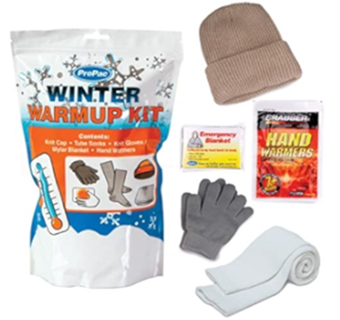
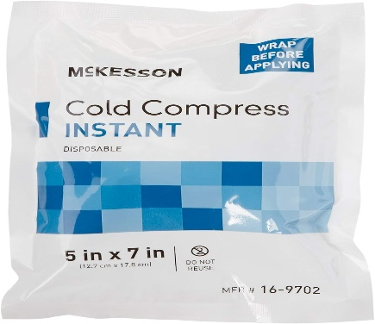
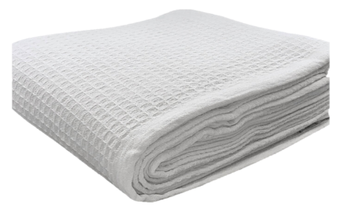
Item Description | Qty | Retail Per Unit | Total Retail | Condition | UPC
Feenics inc arm bandage | 274 | $150.00 | $41,100.00 | New Condition | LP.BDG.ARM
R&K brand thermal blanket | 832 | $39.00 | $32,448.00 | New Condition | THERM.BLKT
winter warm up kit | 303 | $21.00 | $6,363.00 | New Condition | SPRT.KIT.WARMUP
Mckesson brand ice pack | 1545 | $24.00 | $37,080.00 | New Condition | AM.ICE.PACK
Mitprom products cooling body wrap | 485 | $12.99 | $6,300.15 | New Condition | COOLING.BODY.WRAP
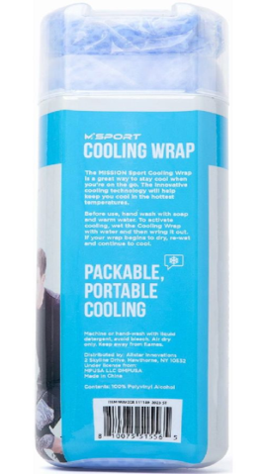
 | 3439 |  | $123,291.15

